1. Title Page
[Instacart Grocery Basket Analysis]

Project Name: Instacart Grocery Basket Analysis
Date: 04.04.2024
Analyst Name: Dat Do

Contents: | “The Instacart Online Grocery Shopping Dataset 2017”, Accessed from www.instacart.com/datasets/grocery-shopping-2017 via Kaggle on [date].
Population Flow
Consistency checks
Wrangling steps | Note: The customers data I explored in exercises 4.9 and 4.10, as well as the "prices" column in the products data set, were both fabricated for the purpose of this course.
Column derivations
Visualizations | Task 4.10: List of regions of the United States
Recommendations

2. Population Flow
Title page

Population flow

Exclusion flag
Condition: max_order < 5
Obervations to be removed: 29630
Final total count of order_products_all: 32404859

Orders_products_combined
Orders_products_merged
Orders_products_all

Total: 32404859
Total: 32434489
Total : 32404859

1.) The grey boxes in the first row of the population flow represent the original data sets as they were when you downloaded them. In the Total fields you need to add the count of the rows when you imported the data set into Jupyter.
2.) The second row of boxes (coloured) represents the data sets after you manipulated them, e.g., removed missing values and duplicates. In the Total fields you need to add the count of the rows after conducting these operations. This offers a visual oveview of how the data flows throughout the data consistency checks.
3.) The third row, where also the arrows are coloured, represents the merges you performed between the datasets. In the Total fields you need to add the count of the rows in the merged datasets, so that you end up with the final dataset (in the red box). Keep in mind the final dataset should be without exclusions (based on the exclusion flag).

3. Consistency checks
 |  |  |  | Title page
Consistency checks

Dataset | Missing values | Missing values treatment | Duplicates
orders | There are 206209 missing values in the 'days_since_prior_order' column | To address the missing values, no action was necessary. Because it was the very first order from the consumer, this cell will be empty until they make second order. | no duplicates
products | 16 rows in product_name column | Created a new dataframe for a clean dataframe without the 16 rows. | 5 Duplicate rows
orders_products_prior | No missing values | No missing values | No duplicates
customers | First Name | I deleted the column because of data security reasons. It is a personal identifiable information (PII). | No duplicates

4. Wrangling steps
 |  |  |  | Title page
Wrangling steps

Columns dropped | Columns renamed | Columns' type changed | Comment/Reason
eval_set |  |  | removal of eval_set column because it is not revelant to the analysis
 | order_dow |  | changing the name of the column 'order_dow' so it is easier to understand for people who don't know what 'dow' means. New name is 'order_day_of_week'
 |  | order_id | order_id changed from numeric to string data type
 |  | user_id | user_id changed to string data type
first name |  |  | I deleted the column because of data security reasons. It is a personal identifiable information (PII).
surname |  |  | I deleted the column because of data security reasons. It is a personal identifiable information (PII).

5. Column derivations
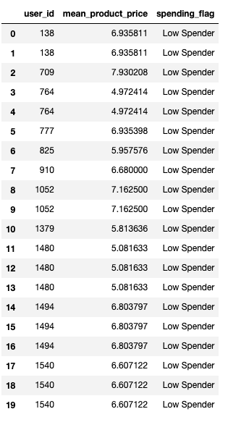
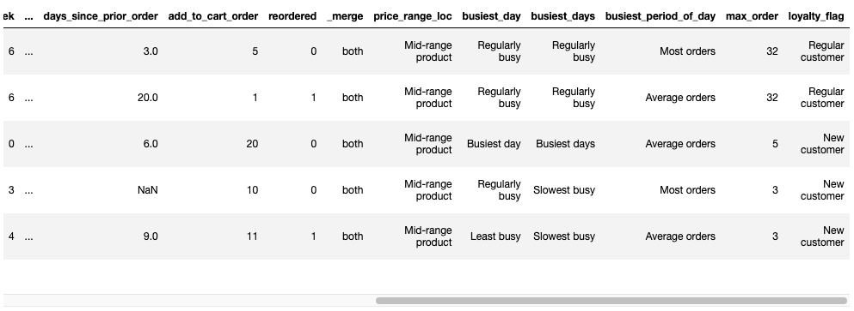
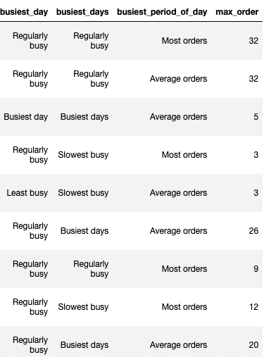
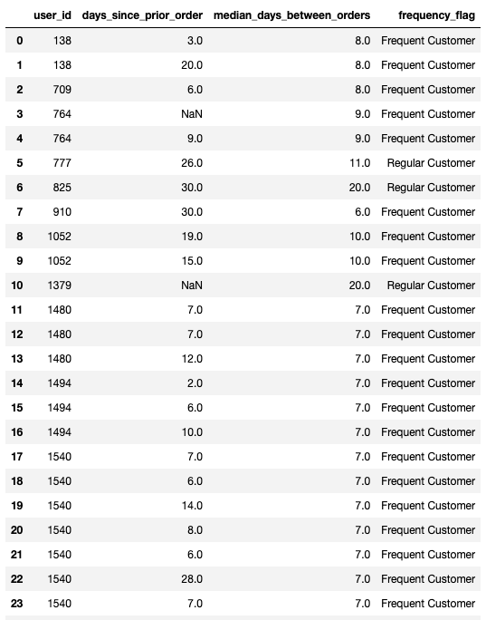
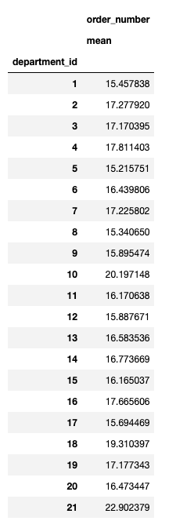
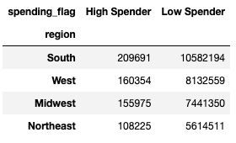
 |  |  |  | Title page

Column derivations and aggregations

In this tab you should add tables below that the frequences of flags/label variables that you produced after deriving them. NB: don't do this for continuous variables, only for flags.
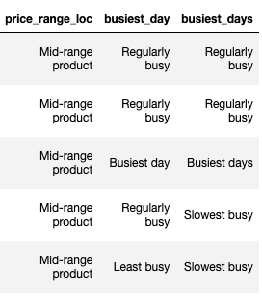
Dataset | New column | Column/s it was derived from | Conditions
df_ords_prods_merge | price_range_loc | prices
df_ords_prods_merge | price_range | prices
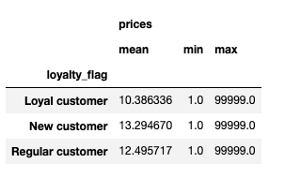
df_ords_prods_merge | busiest_day | orders_day_of_week
df_ords_prods_merge | busiest_days | orders_day_of_week
df_ords_prods_merge | busiest_period_of_day | order_hour_of_day

df_ords_prods_merge | order_number: mean | department_id
df_ords_prods_merge | max_order | user_id, order_number
df_ords_prods_merge | loyalty_flag | max_order
df_ords_prods_merge | prices: mean, min, max | loyalty_flag
df_ords_prods_merge | mean_prodict_price | user_id, prices
df_ords_prods_merge | spending_flag | mean_product_price
df_ords_prods_merge | median_days_between_orders | user_id, days_since_prior_order
df_ords_prods_merge | frequency_flag | median_days_between_orders
df_ords_prods_merge | region | state

6. Visualization
Visualisations

 | 1. The sales team requires insights into the peak days and hours with the highest order volumes. This information will enable them to strategically schedule advertisements during periods of lower order activity.




 |  | Recommendation: To optimize ad scheduling, prioritize advertising during the hours when fewer customers are active, specifically from approximately 5 p.m. to 11 p.m. This avoids running ads during the night when most consumers are asleep.

 |  | Additionally, focus advertising efforts on Saturdays and Sundays, which are the busiest days of the week with higher order volumes. Consider increasing ad frequency from Monday through Friday to capitalize on potential higher order quantities during the weekdays.

 |  | 2. The sales team is interested in identifying specific times of the day when customers tend to spend the most money. This information could help determine the type of products to advertise during these peak spending periods.

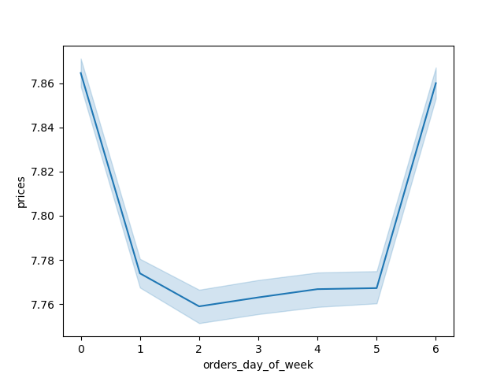
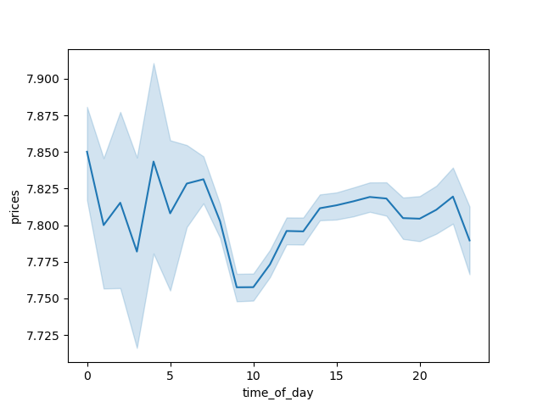

 |  | Recommendation: The analysis suggests that the early morning hours, between approximately 3 am and 5 am, witness the highest average price per order. Subsequently, there is a gradual decline in average prices until around 10 am, followed by a slight increase leading up to 7 pm.

 |  | 3. Instacart aims to simplify its product price range groupings to streamline marketing and sales efforts, facilitating more focused strategies.

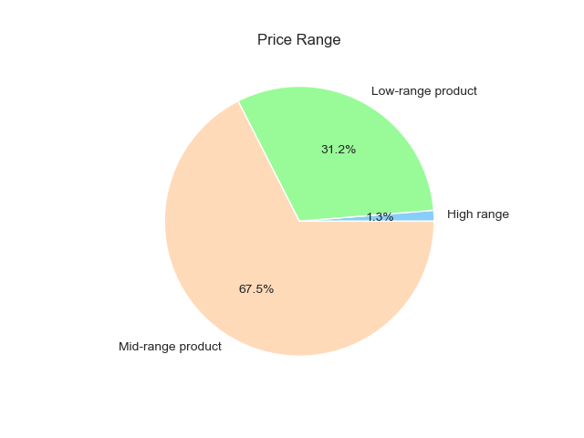

 | Recommendation: The recommended approach for creating price range groupings involved categorizing products into three tiers: low (under $5), mid (between $5 and $15), and high (over $15). With midrange products constituting over 60% of sales, prioritizing this segment should be the main focus for the sales team."

 |  | 4. How is brand loyalty distributed among users, reflecting their frequency of returning to Instacart?"

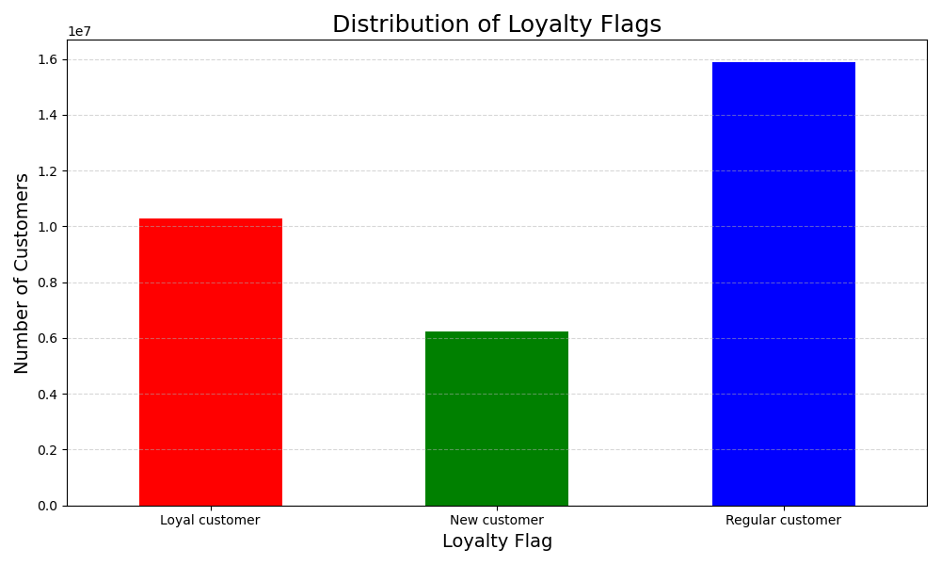
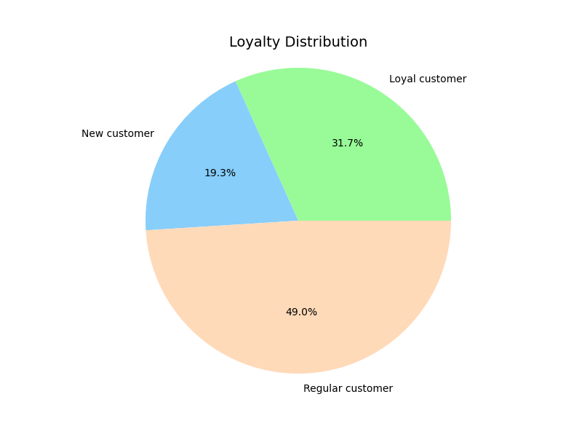

 | "Recommendation: Among customers, 49% are classified as regular, making purchases every 10 to 20 days, while 31.7% are deemed loyal, returning within 10 days. New customers account for 19.3% of the total. The majority of customers shop a few times a month."

 |  | 5. Are there differences in ordering habits based on a customer’s region?

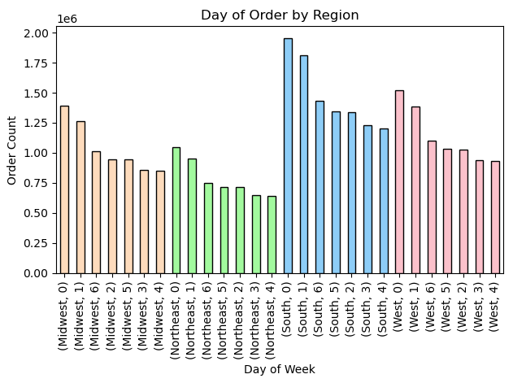
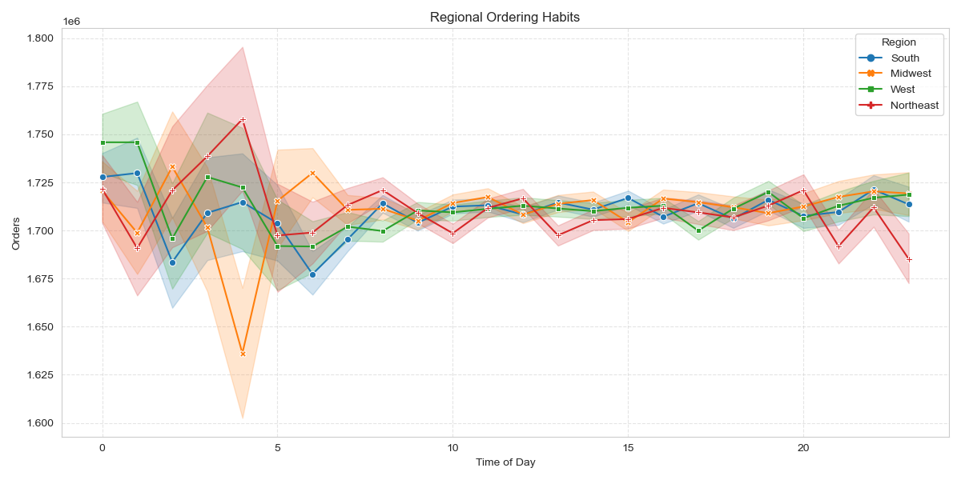

"Recommendation: Consistently across all regions, there is a balanced distribution between high and low spenders. Weekends witness the highest order volumes, while Wednesdays observe the lowest. Furthermore, late-night and early-morning hours consistently mark the peak and nadir of order placements across all regions."

 |  |  | 6.Is there a correlation between age and family status concerning ordering behavior?

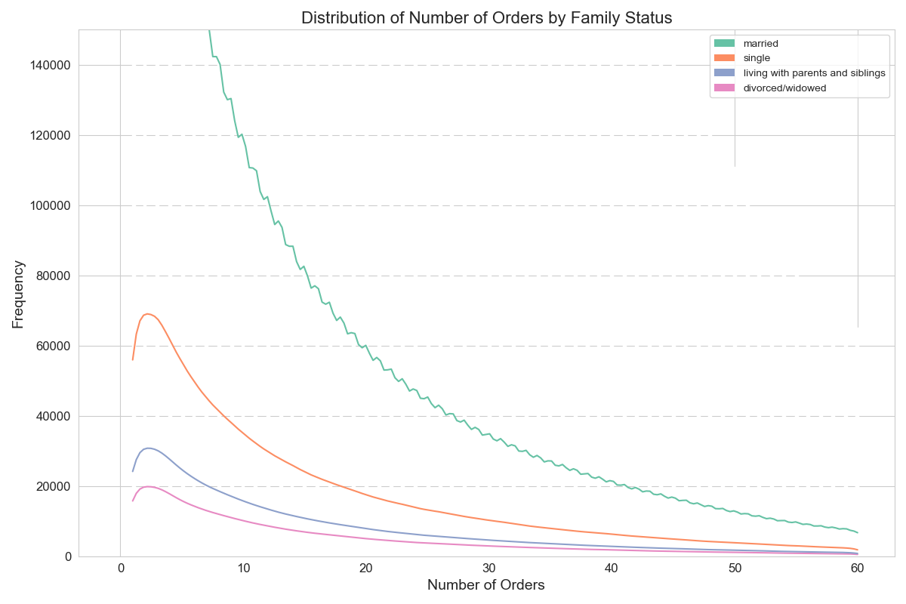
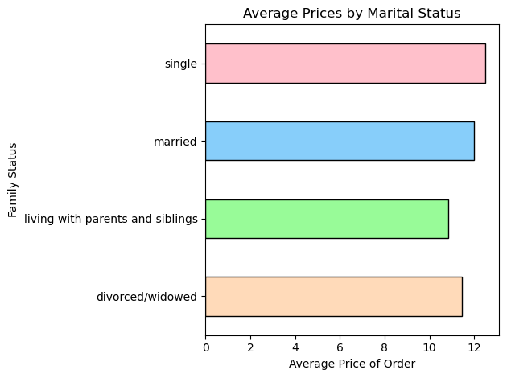

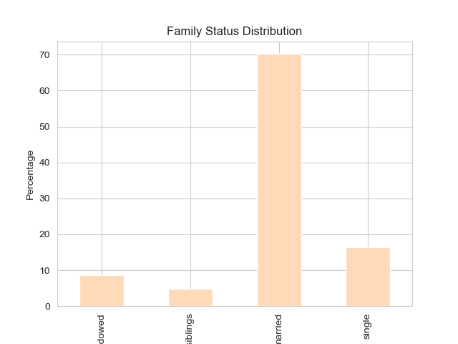
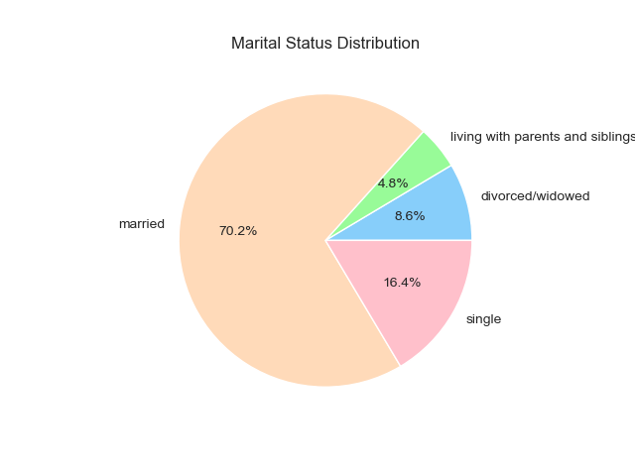

 | Recommendation: Given that 70.2% of customers are married, targeting this demographic would be prudent. Analysis reveals slight variations in average spending across different age and marital status categories. Notably, individuals living with parents and siblings tend to spend the least, while singles and young adults exhibit higher spending tendencies."

